Standard Dev - Task
Date | Visitor of the Public Service
2022-12-01 | 4 | Case:
2022-12-02 | 2 | If you are the leader of one institution in Surabaya, how many chair that you need to prepared to cover 68% of all visitior at least will get the seat?
2022-12-03 | 5
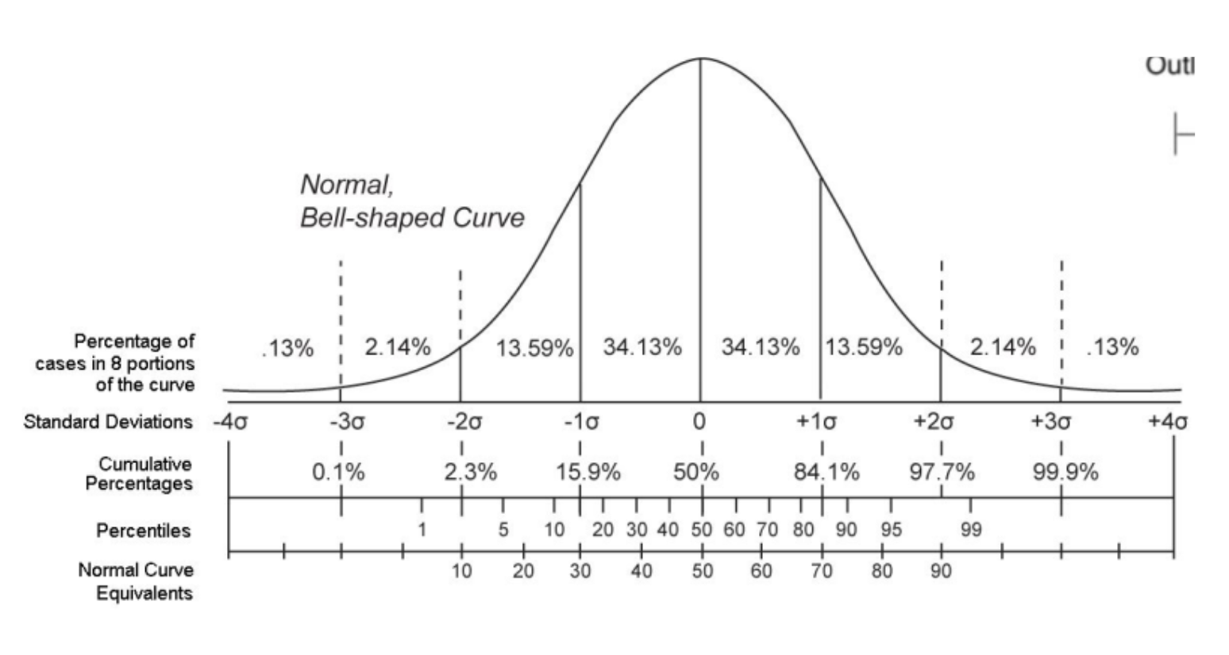
2022-12-04 | 10 | Answer:
2022-12-05 | 7 | Mean (μ) = | 6.43
2022-12-06 | 8 | Std (σ) = | 2.14
2022-12-07 | 10 | with target coverage 68%
2022-12-08 | 5 | Assume normal distribution
Since the problem asks for the minimum number of chairs so that at least 68% of visitors can get a seat, this can be interpreted as finding the 68th percentile of the normal distribution.
2022-12-09 | 8
2022-12-10 | 4
2022-12-11 | 9
2022-12-12 | 6
2022-12-13 | 10
2022-12-14 | 8 | That means: | P(X ≤ x) = 0.68
2022-12-15 | 4 | From the normal distribution table: | z ≈ 0.47
2022-12-16 | 6
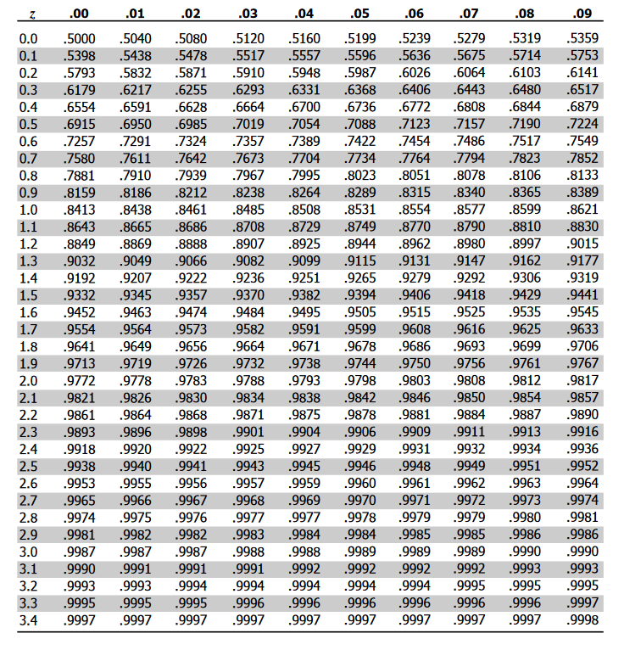
2022-12-17 | 8 | Using: | x = μ + zσ
2022-12-18 | 5 | x = | 6.43 + (0.47)(2.14)
2022-12-19 | 7 | x = | 7.4412450814 | ⌈x⌉ ≈ | 8 chairs should be prepared.
Note: If using the empirical rule (±1σ covers ~68% around the mean), the upper bound would be 8.57 (~9 chairs). However, for capacity planning, using the 68th percentile (8 chairs) is more appropriate because it directly represents the minimum number of seats needed to accommodate 68% of daily visitors.
2022-12-20 | 3
2022-12-21 | 9
2022-12-22 | 7
2022-12-23 | 5
2022-12-24 | 4
2022-12-25 | 7
2022-12-26 | 7
2022-12-27 | 7
2022-12-28 | 5
2022-12-29 | 8
2022-12-30 | 5

Z Score Task
 | Biaya Hidup Bulanan
Data Teman Udin | Bekasi | Tuban
1 | 4,800,000 | 2,500,000
2 | 5,000,000 | 2,100,000
3 | 4,200,000 | 3,000,000
4 | 4,600,000 | 3,000,000
5 | 4,500,000 | 2,500,000
6 | 5,200,000 | 2,400,000

 | Bekasi | Tuban
Tawaran Kerja dengan Gaji Kepada si Udin (x) | 5,000,000 | 3,500,000

Mana yang harus Udin Ambil jika mempertimbangkan biaya hidup berdasar lingkungannya?
Mean Sample (μ) | 4,716,667 | 2,583,333
Std. Sample (σ) | 360092.58069 | 354494.9459
Z Scores | 0.79 | 2.59
z = (x-μ)/σ | 79% | 99.52%

Artinya: gaji Bekasi cuma 0.79σ di atas biaya hidup rata-rata, sedangkan gaji Tuban 2.59σ di atas biaya hidup rata-rata

Kesimpulan:
Udin lebih baik ambil Tuban, karena walaupun nominal gaji lebih kecil, secara relatif terhadap biaya hidup lokal, offer itu jauh lebih menguntungkan.

 |  |  | Right Z-score Table (Positive)
ps:
Z-score besar mengartikan gaji (x) > rata2 biaya hidup (μ), semakin aman finansial.
Kalau z-score negatif, misal:
$$z=−1$$
artinya:
gaji di bawah rata-rata biaya hidup, semakin tidak aman.

Percentile - Task
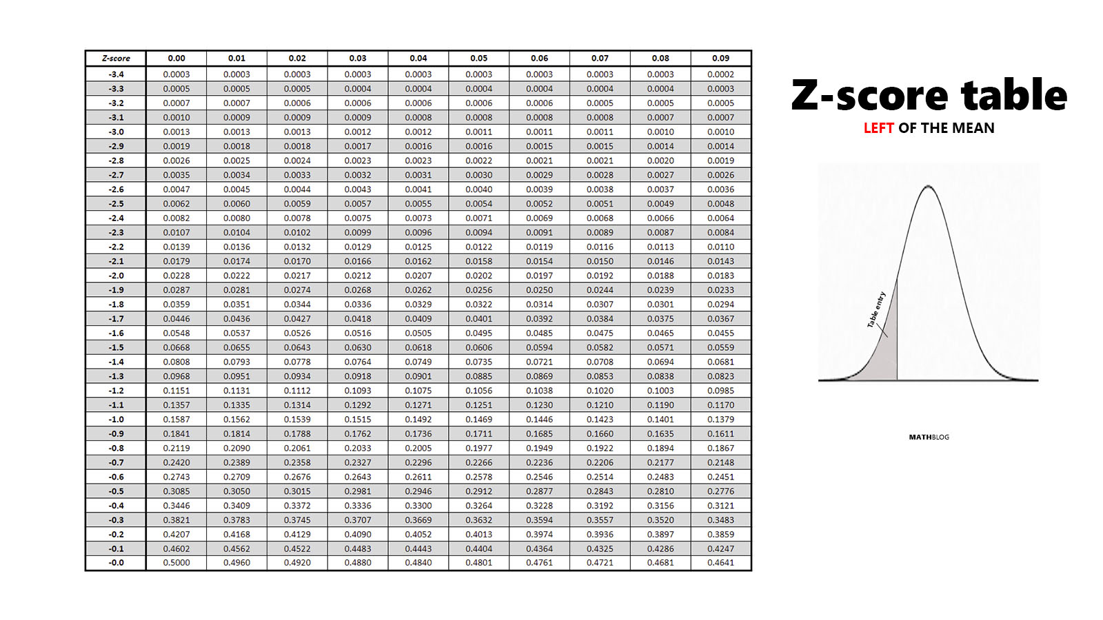
Before Sorted |  | After Sorted
Transaction ID | service duration | service duration
1 | 1 | 1 | Task
2 | 4 | 1 | In one money transfer company, the expected of Percentile 90 SLA is under 5 mins to ensure the customer satisfaction of the service provided
3 | 8 | 1 | There are 50 transactions occured with each of SLA is attached
4 | 5 | 1 | Is the company was achieved P90 Satisfaction Level Condition?
5 | 5 | 1 | What is your recommendation to product team to solve this condition?
6 | 1 | 2
7 | 10 | 2
8 | 5 | 2 | P90
9 | 6 | 3
10 | 1 | 3 | Client tidak akan membeli karna aktualnya itu 10 menit , yang dijanjikan p90 = 5 menit (atau artinya yang dijanjikan 90% transaksi yang disediakan pasti berada dibawah atau = 5 menit)
11 | 1 | 3
12 | 10 | 4
(Method 1 ) Direct Percentile
Because the dataset contains actual transaction durations, the most appropriate way is to calculate the 90th percentile directly.
Step:
Sort all 50 transactions from smallest to largest.
P90 position: P90 = 0.9 × 50 = 45
So we look at the 45th observation.
45th observation the value is 10 mins
Thus: P90 = 10 mins
Target SLA = P90 ≤ 5
Since:
$$10>5$$
The company did not achieve the P90 SLA.
(Method 2 ) Normal approximation (z-score)
Assuming the data is normally distributed:
13 | 2 | 4 | Answer:
14 | 1 | 4
15 | 4 | 4
16 | 6 | 4
17 | 8 | 5 |  | mean: | 6.14
18 | 4 | 5 |  | std: | 3.0573431176
19 | 9 | 5 |  | target SLA (x): | 5
20 | 5 | 5
21 | 10 | 5 |  | z-score: | -0.37287277095 | z ≈ 0.3557 | ≈ 35.58%
22 | 7 | 5
Since: 36% < 90% The company did not achieve the SLA.
23 | 10 | 6
24 | 2 | 6
25 | 10 | 6
26 | 2 | 6
27 | 7 | 7
Ps: Direct percentile is preferred because raw transaction data is available, while z-score is only an approximation under normality assumption.
28 | 10 | 7
29 | 7 | 7
I recommend the product team:
1. Analyze bottlenecks in transaction flow.
2. Identify slow transaction segments (large amount, interbank, peak hours).
3. Optimize backend processing to reduce latency.
4. Monitor P90 and P95 regularly instead of relying only on average SLA.
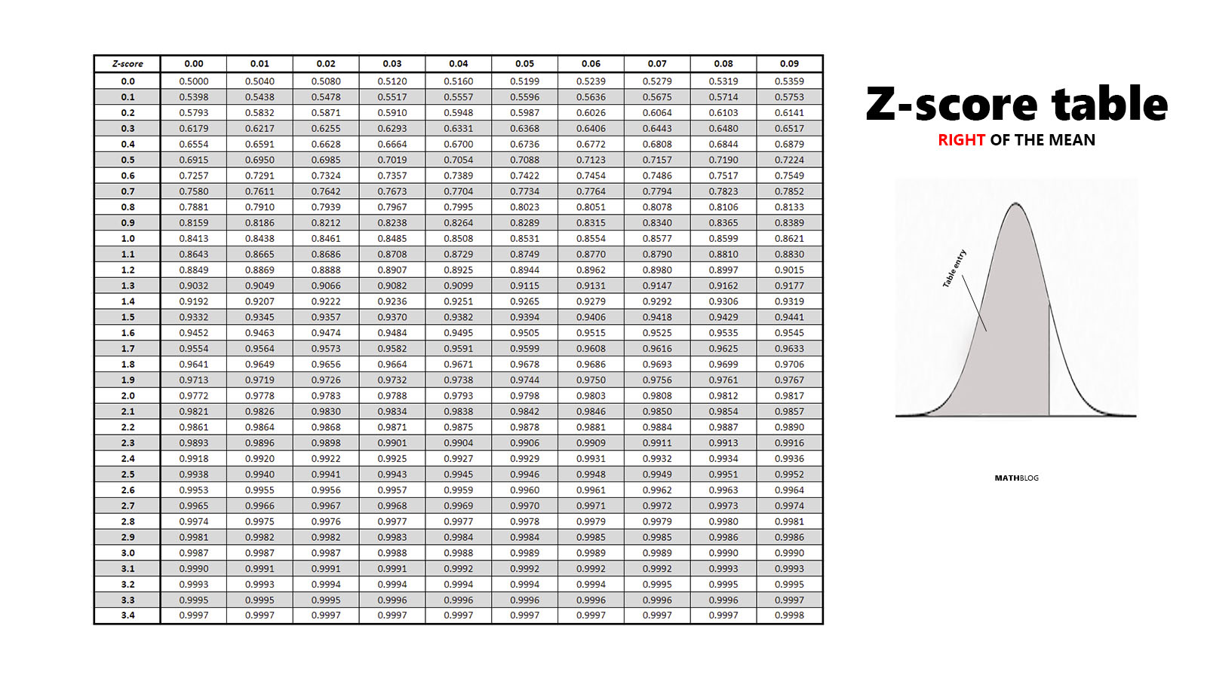
30 | 4 | 7
31 | 3 | 7
32 | 10 | 8
33 | 8 | 8
34 | 10 | 8
35 | 4 | 8
36 | 10 | 9
37 | 10 | 9
38 | 5 | 9
39 | 10 | 9
40 | 9 | 10
41 | 3 | 10
42 | 7 | 10
43 | 9 | 10
44 | 9 | 10
45 | 6 | 10 | 45th observation the value is 10
46 | 3 | 10
47 | 5 | 10
48 | 7 | 10
49 | 6 | 10
50 | 8 | 10

